Template
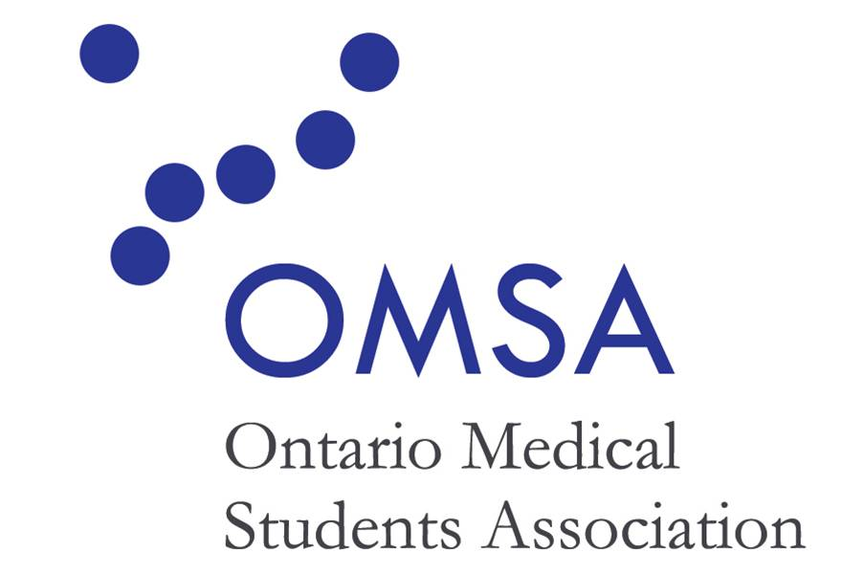
 | ONTARIO MEDICAL STUDENTS ASSOCIATION - EXPENSE CLAIM FORM 2022-2023

 | Full name
 | Mailing address
 | OMA #
 | Email address
 | Event or activity name
 | Date

NOTES: Refer to Example TAB - Excessive transportation costs (business class flights, limos, etc) will not be reimbursed and members are encouraged to book or arrange travel at lowest possible costs. - Mileage will be reimbursed at a rate of $0.48 per km. Please enter start and destination addresses into expense type column and the number of kms into the expense description column. - Gas will not be reimbused. - Maximum food allowance is $20 per day - Proof of purchase must be provided. Please number each receipt with its respective expense on this form.
Date of Expense | Type | Description | Amount | Proof of purchase/receipt #

 |  | Amount Due | $-

